Figure_1
Support from concessions is inconsistent

Cameo analysis of concession eligibility

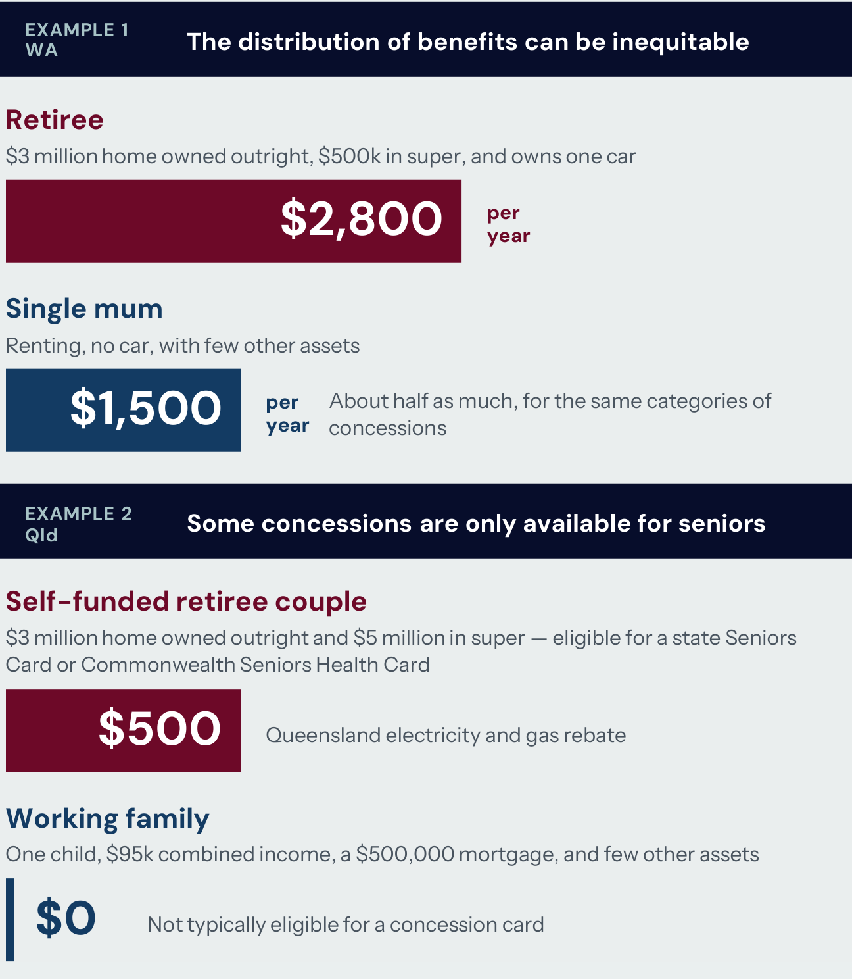
 | Cameo comparison

 | State | Household | Annual benefit ($)
 | WA | Retiree | $2,800
 | WA | Single mum | $1,500
 | Qld | Self-funded retiree couple | $500
 | Qld | Working family | $0

Note: Example 1 is for Western Australia and example 2 is for Queensland. Source: See Appendix C for more detail on the sources and assumptions.

Figure 1 | Hit and miss | Report page 6 (PDF page 7) | Source: states_means_testing (37)(3).pdf

Figure_2
Many supports favour the well-off

Estimated benefits of concessions and cost-of-living support, by income or wealth quintile

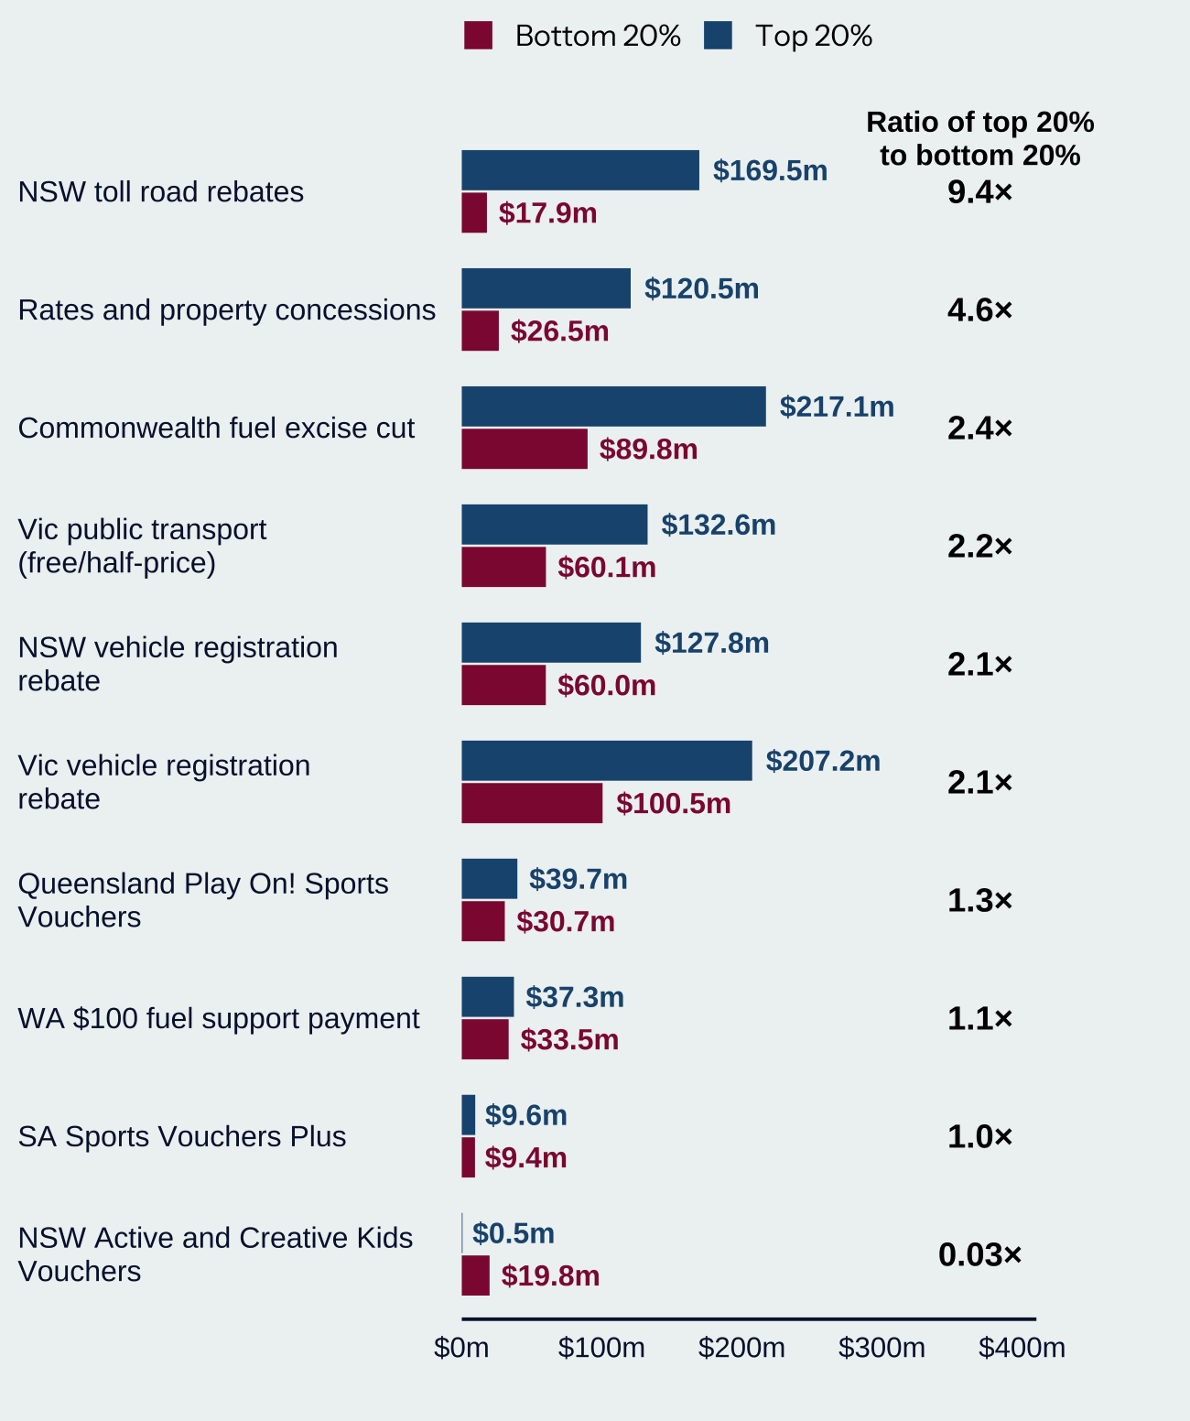
 | Benefits by quintile (published labels)

 | Policy | Bottom 20% ($m) | Top 20% ($m) | Ratio shown
 | NSW toll road rebates | 17.9 | 169.5 | 9.4×
 | Rates and property concessions | 26.5 | 120.5 | 4.6×
 | Commonwealth fuel excise cut | 89.8 | 217.1 | 2.4×
 | Vic public transport (free/half-price) | 60.1 | 132.6 | 2.2×
 | NSW vehicle registration rebate | 60.0 | 127.8 | 2.1×
 | Vic vehicle registration rebate | 100.5 | 207.2 | 2.1×
 | Queensland Play On! Sports Vouchers | 30.7 | 39.7 | 1.3×
 | WA $100 fuel support payment | 33.5 | 37.3 | 1.1×
 | SA Sports Vouchers Plus | 9.4 | 9.6 | 1.0×
 | NSW Active and Creative Kids Vouchers | 19.8 | 0.5 | 0.03×

Note: Rates and property concessions are by wealth quintile, while all other data is by income quintile. Source: See case studies throughout this report, and Appendix C, for more detail on the sources and methods used.

Ratios reproduce the figure labels and are not recalculated from rounded dollar values. The displayed toll ratio (9.4×) differs from 169.5 / 17.9 = 9.47× using the displayed amounts.

Figure 2 | Hit and miss | Report page 6 (PDF page 7) | Source: states_means_testing (37)(3).pdf

Figure_3
The Commonwealth provides significantly more support to households than the states and territories

Estimated size of Commonwealth, and state and territory, support to households, $billion

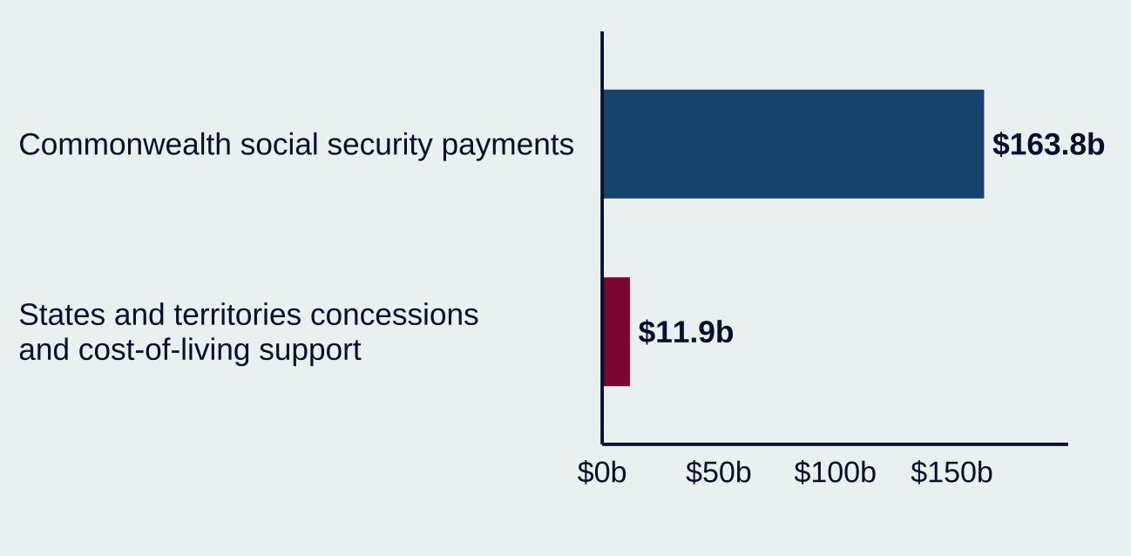
 | Estimated support

 | Government / support | Amount ($bn)
 | Commonwealth social security payments | 163.8
 | States and territories concessions and cost-of-living support | 11.9

Note: Commonwealth social security payments are for 2024–25. State and territory concessions represent 2026–27 funding, while cost-of-living support represents funding implemented in 2026 (spanning 2025–26 and 2026–27) from each jurisdiction. Source: Services Australia (2025) and state and territory budget papers. See Appendix A for a full list of sources and the methodology.

Figure 3 | Hit and miss | Report page 8 (PDF page 9) | Source: states_means_testing (37)(3).pdf

Figure_4
Indicative share of spending on various concessions

Share of concessions, based on Queensland and NSW data

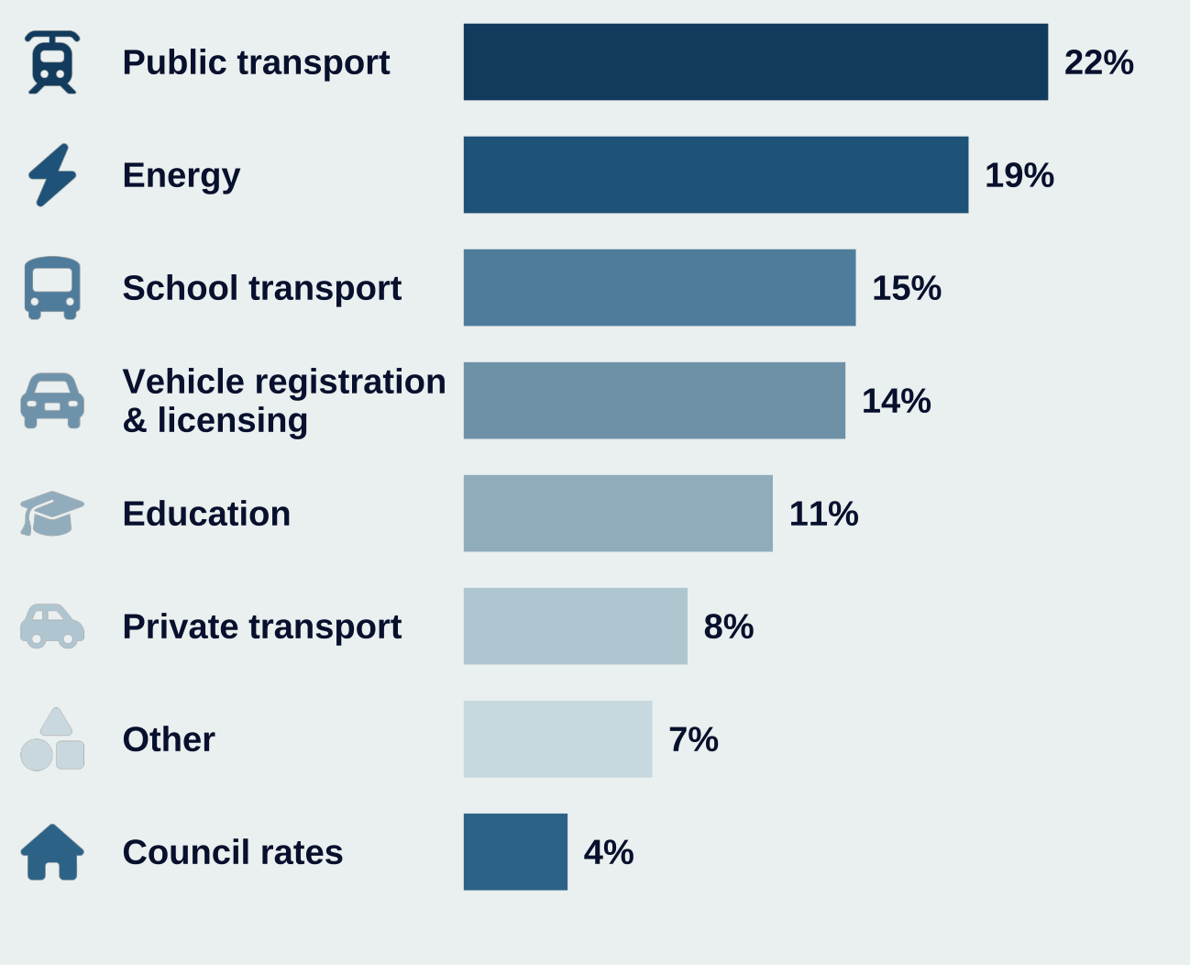
 | Indicative composition

 | Concession category | Share
 | Public transport | 22%
 | Energy | 19%
 | School transport | 15%
 | Vehicle registration & licensing | 14%
 | Education | 11%
 | Private transport | 8%
 | Other | 7%
 | Council rates | 4%

Note: In some cases, such as public transport, this represents concessions off fares that are already subsidised for the broader population. The distribution of concessions is primarily based on data from Queensland, due to data limitations in comparing across jurisdictions. New South Wales data was used to provide a more comparable proxy of public transport concessions, which are much larger in Queensland than other jurisdictions. As noted in Appendix A, data on concessions varies across states and territories. Source: Policy Institute Australia analysis of Queensland Treasury (2026) and NSW Treasury (2026).

Figure 4 | Hit and miss | Report page 10 (PDF page 11) | Source: states_means_testing (37)(3).pdf

Figure_5
Larger states provide more concessions and cost-of-living support on a per household basis

Estimated concessions and cost-of-living support, per household, $, most recent state budgets

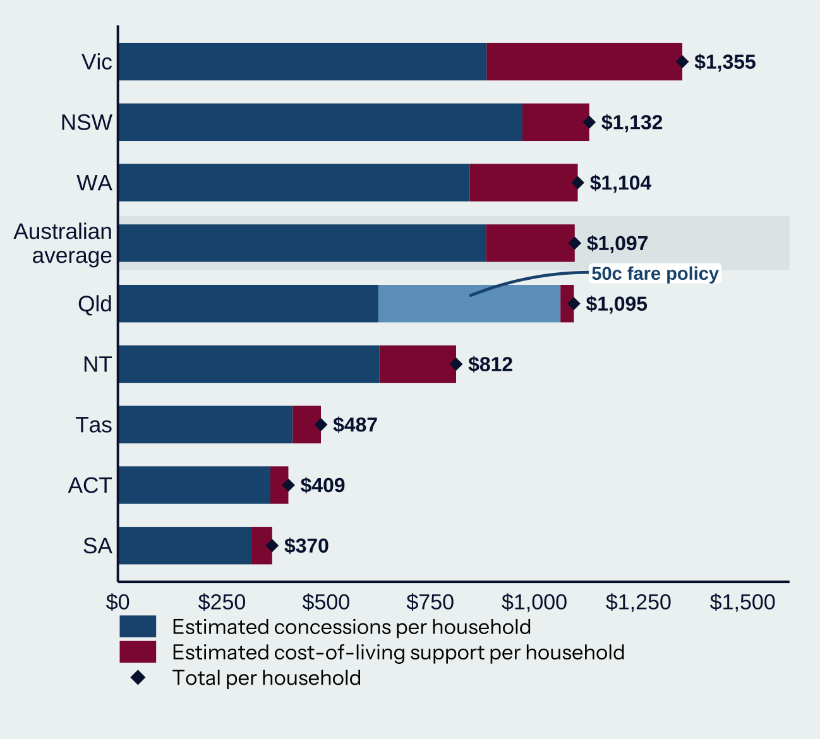
 | Per-household support

 | Jurisdiction | Total shown ($)
 | Vic | $1,355
 | NSW | $1,132
 | WA | $1,104
 | Australian average | $1,097
 | Qld | $1,095
 | NT | $812
 | Tas | $487
 | ACT | $409
 | SA | $370

Note: Estimated concessions represent 2026–27 funding, while cost-of-living support represents funding implemented in 2026 (spanning 2025–26 and 2026–27) from each jurisdiction. Data has been adjusted by Policy Institute Australia to enable jurisdictional comparisons. See Appendix A for more detail on the methodology. Source: Policy Institute Australia analysis of NSW Treasury (2026); Department of Treasury and Finance (Victoria) (2026b); Queensland Treasury (2026); Department of Treasury (Western Australia) (2026); Department of Treasury and Finance (Tasmania) (2026); Department of Treasury and Finance (South Australia) (2026); ACT Treasury (2026); and Northern Territory Treasury (2026). Data was adjusted using household size data from Australian Bureau of Statistics (2024) and population data from Australian Bureau of Statistics (2026a).

Total values are transcribed from the figure. Unlabelled component values (≈) are digitised from the PDF bar proportions, rounded to $1. The jurisdictional concessions / cost-of-living shares reproduce Table 1 to within 0.5 percentage points. Queensland concessions include the 50c fare component. Components remain approximate.

Figure 5 | Hit and miss | Report page 11 (PDF page 12) | Source: states_means_testing (37)(3).pdf

Figure_6
Spending by states and territories is high compared to their own-source taxation revenue

Total expenditure on concessions and cost-of-living support, by state and territory, most recent state budget

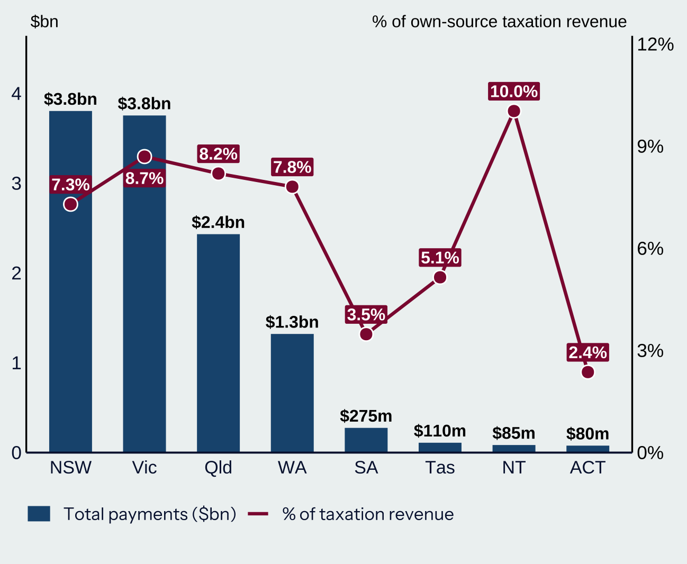
 | Chart labels

 | Jurisdiction | Total shown ($m) | Tax revenue share
 | NSW | 3,800 | 7.3%
 | Vic | 3,800 | 8.7%
 | Qld | 2,400 | 8.2%
 | WA | 1,300 | 7.8%
 | SA | 275 | 3.5%
 | Tas | 110 | 5.1%
 | NT | 85 | 10.0%
 | ACT | 80 | 2.4%

Note: See Appendix A for more information. Policy Institute Australia analysis of NSW Treasury (2026); Department of Treasury and Finance (Victoria) (2026b); Queensland Treasury (2026); Department of Treasury (Western Australia) (2026); Department of Treasury and Finance (Tasmania) (2026); Department of Treasury and Finance (South Australia) (2026); ACT Treasury (2026); and Northern Territory Treasury (2026).

Launch check: Figure 6 labels NT $85m and ACT $80m; Appendix A Table 1 reports $84m and $77m respectively. Both are preserved. Other chart totals are labelled at coarser precision than Table 1.

Figure 6 | Hit and miss | Report page 12 (PDF page 13) | Source: states_means_testing (37)(3).pdf

Figure_7
All states and territories offer concessions for utilities – with varying levels of generosity

Maximum concession available for electricity, gas, water and sewerage for eligible participants in each state and territory

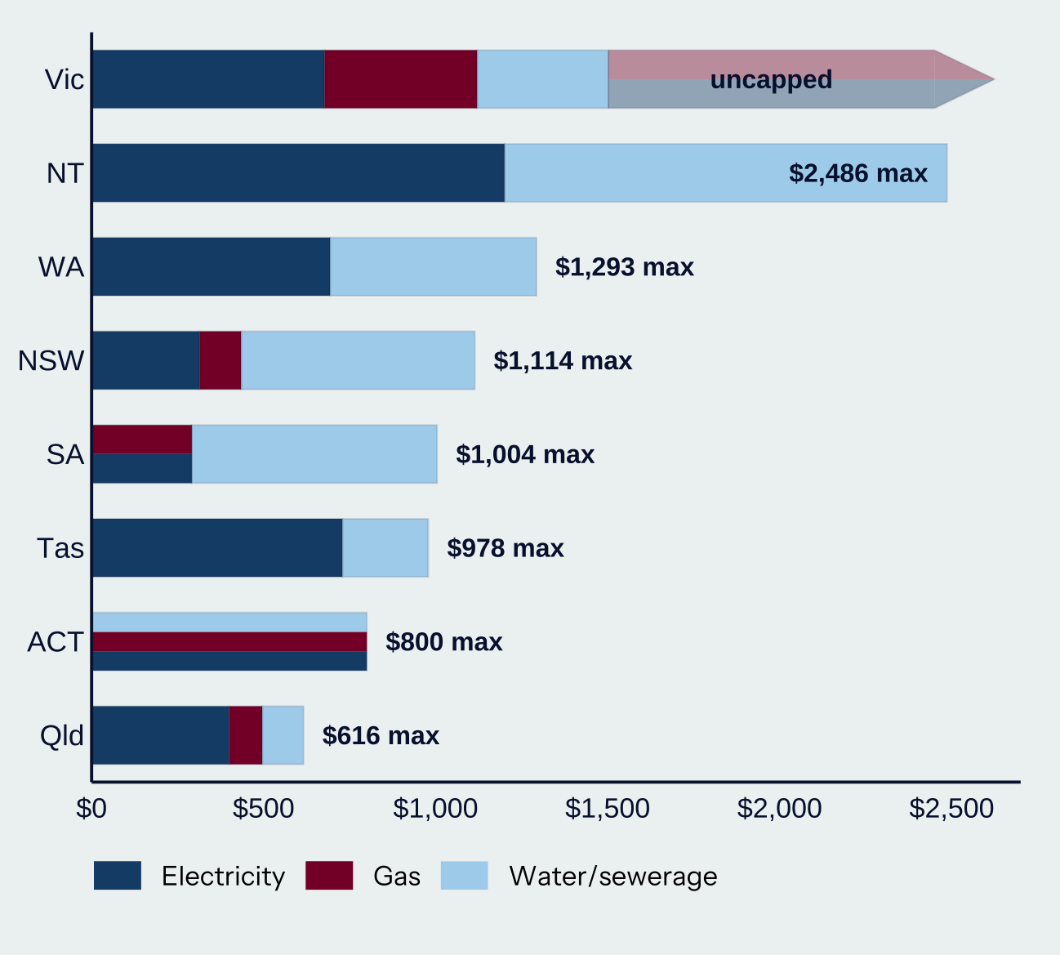
 | Maximum shown in figure

 | Jurisdiction | Maximum shown ($)
 | Vic
 | NT | $2,486
 | WA | $1,293
 | NSW | $1,114
 | SA | $1,004
 | Tas | $978
 | ACT | $800
 | Qld | $616

Note: Tasmania, Western Australia and the Northern Territory do not offer gas concessions. See Table 2 in Appendix B for the full list of policies and assumptions underlying this data. Note that many states and territories also offer additional payments above and beyond those in this table, which are not counted here, such as the utility relief grant scheme in Victoria, which is one-off support to pay overdue utility bills. Source: Policy Institute Australia modelling.

Victoria has no overall maximum. ACT is one $800 combined rebate; do not add its coloured segments as separate benefits. SA energy is a combined concession, not separately additive electricity and gas allowances. Component values come from Table 2; displayed maxima retain chart rounding.

Figure 7 | Hit and miss | Report page 13 (PDF page 14) | Source: states_means_testing (37)(3).pdf

Figure_8
$2.3 billion of concession benefits goes to the top 40% by wealth

Estimated share of benefits to the top 40% by wealth or income

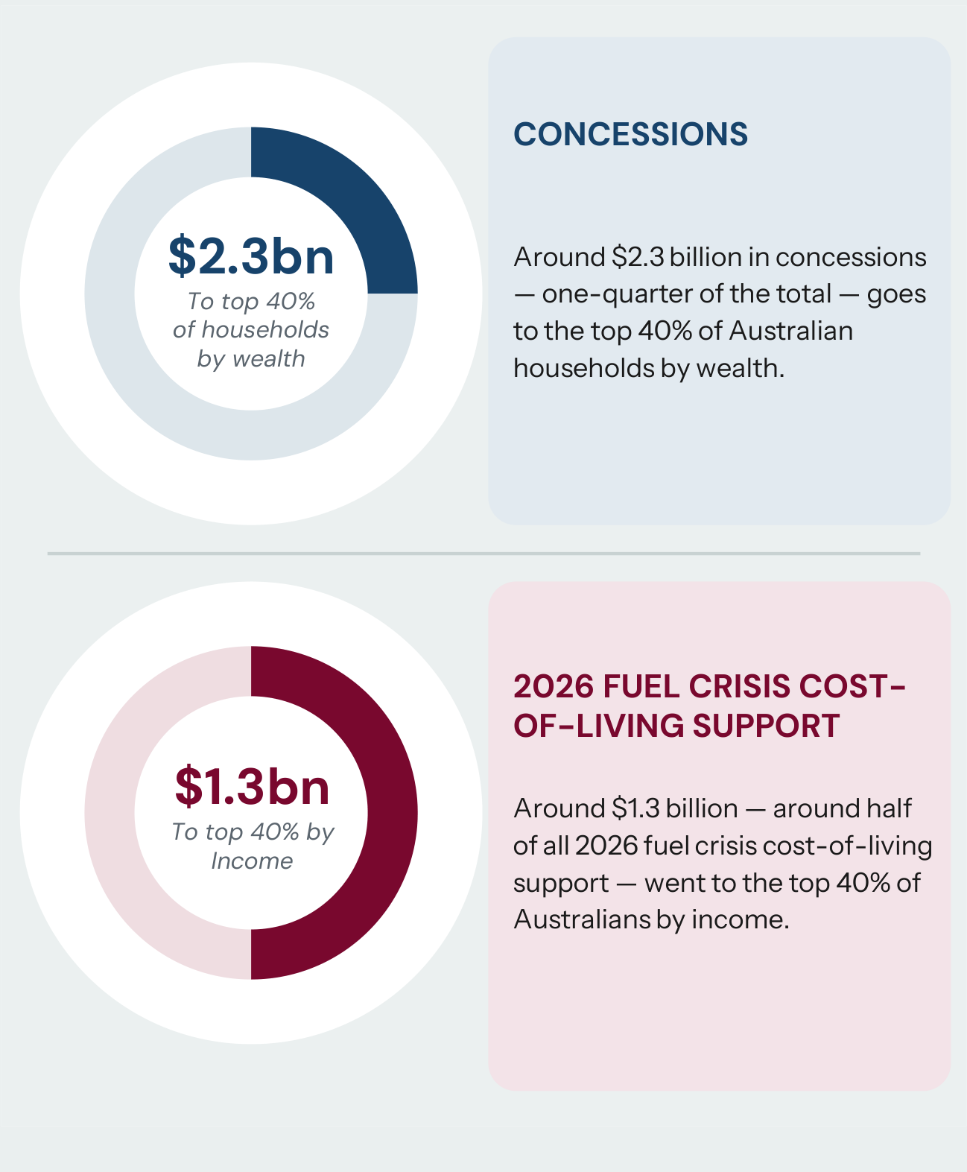
 | Benefits going to the top 40%

 | Support | Distribution basis | Benefit ($bn) | Approximate share
 | Concessions | Household wealth | 2.3 | 25%
 | 2026 fuel crisis cost-of-living support | Income (varies by case study) | 1.3 | 50%

Note: The estimate for concessions is a conservative estimate, based on the share of households where one person holds either a Pensioner Concession Card, Health Care Card, or Veteran Gold Card. The estimate for cost-of-living support is based on the case studies outlined on page 19. Note that these have different income distributions per case study. Source: Policy Institute Australia analysis using Melbourne Institute (2025) and other data sources. See Appendix A and Appendix C for more detail on the methodology and data sources.

Figure 8 | Hit and miss | Report page 14 (PDF page 15) | Source: states_means_testing (37)(3).pdf

Figure_9
Surveys of Australians find a majority want cost-of-living support to go to those who need it most

Survey response to appropriate policy response to cost-of-living pressures

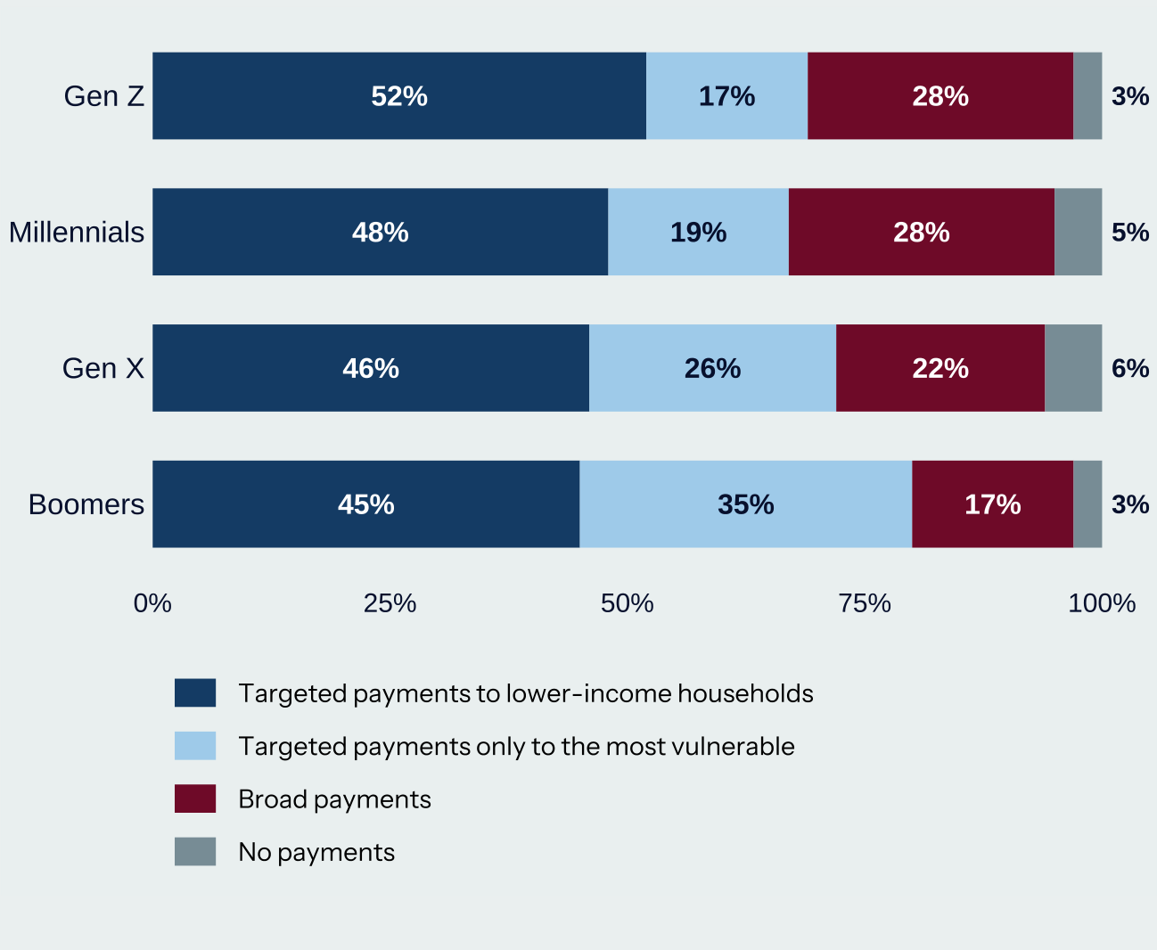
 | Survey responses

 | Generation | Lower-income households | Most vulnerable only | Broad payments | No payments
 | Gen Z | 52% | 17% | 28% | 3%
 | Millennials | 48% | 19% | 28% | 5%
 | Gen X | 46% | 26% | 22% | 6%
 | Boomers | 45% | 35% | 17% | 3%

Note: Response to question, Given current cost-of-living pressures (e.g., energy, rent, groceries), which of the following approaches do you think is more appropriate? The survey period was for 25–27 May 2026, including 1,304 Australians aged 18 years and over. Source: Nguyen (2026).

Figure 9 | Hit and miss | Report page 15 (PDF page 16) | Source: states_means_testing (37)(3).pdf

Figure_10
The Pensioner Concession Card, Veteran Gold Card and Health Care Cards are the main path to getting concessions

Weighted average percentage of state and territory utility and rates concessions where card provides eligibility

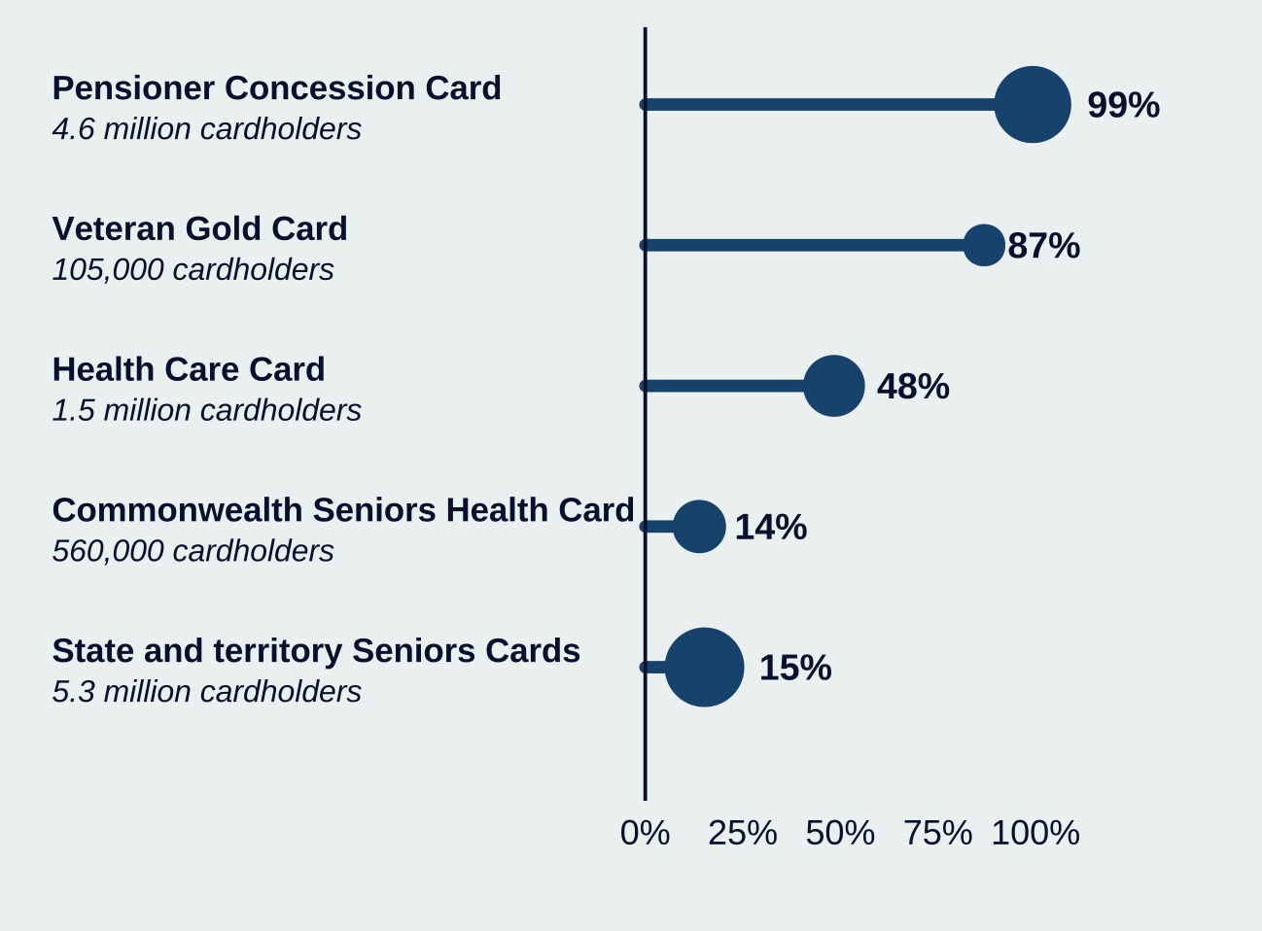
 | Eligibility and recipients

 | Card | Weighted eligibility share | Cardholders (labelled)
 | Pensioner Concession Card | 99% | 4,600,000
 | Veteran Gold Card | 87% | 105,000
 | Health Care Card | 48% | 1,500,000
 | Commonwealth Seniors Health Card | 14% | 560,000
 | State and territory Seniors Cards | 15% | 5,300,000

Note: Based on a sample of state and territory concession programs for utilities and rates. Bubble size represents number of recipients. Source: Policy Institute Australia analysis based on state and territory government information. See Appendix B for more detail on the underlying data sources. Recipient numbers are from Department of Social Services (2026) for the Pensioner Concession Card, Veteran Gold Card, and the Health Care Card (including the Low Income Health Care Card). The number of state and territory Seniors Cards are estimated from state and territory government websites.

Figure 10 | Hit and miss | Report page 16 (PDF page 17) | Source: states_means_testing (37)(3).pdf

Figure_11
Around one-quarter of Commonwealth concession cardholders are in the wealthiest 40% of households

Household distribution of Commonwealth concession cards, gross income and wealth

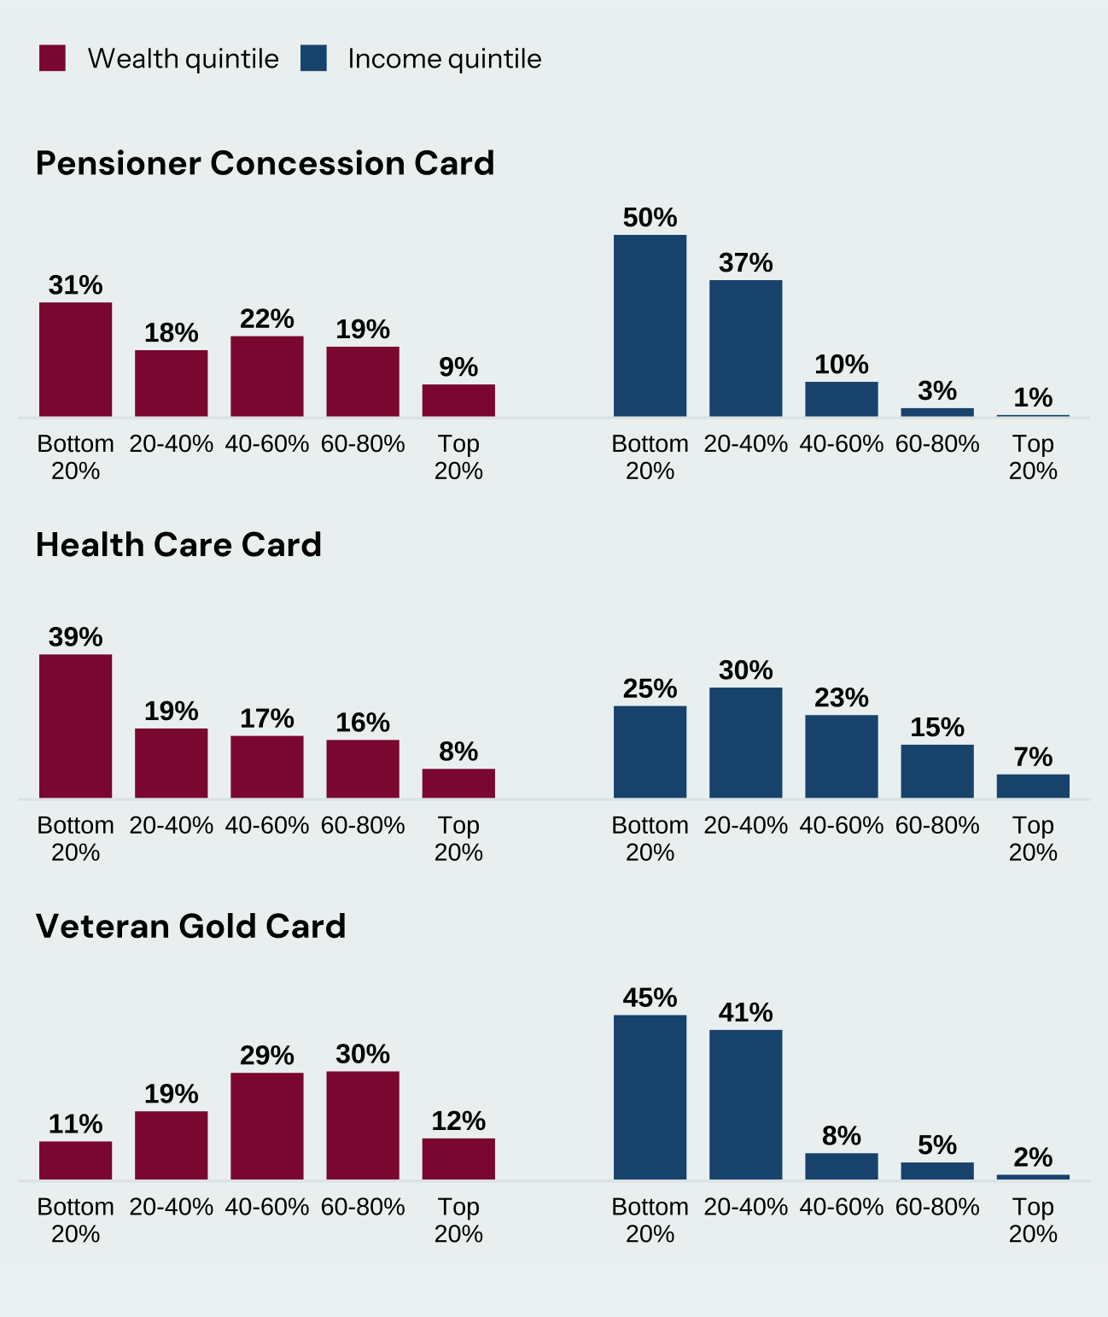
 | Pensioner Concession Card

 | Quintile | Wealth share | Income share
 | Bottom 20% | 31% | 50%
 | 20–40% | 18% | 37%
 | 40–60% | 22% | 10%
 | 60–80% | 19% | 3%
 | Top 20% | 9% | 1%

 | Health Care Card

 | Quintile | Wealth share | Income share
 | Bottom 20% | 39% | 25%
 | 20–40% | 19% | 30%
 | 40–60% | 17% | 23%
 | 60–80% | 16% | 15%
 | Top 20% | 8% | 7%

 | Veteran Gold Card

 | Quintile | Wealth share | Income share
 | Bottom 20% | 11% | 45%
 | 20–40% | 19% | 41%
 | 40–60% | 29% | 8%
 | 60–80% | 30% | 5%
 | Top 20% | 12% | 2%

Note: This represents household distribution of income and wealth, where at least one household member holds the concession card. See page 44 in Appendix C for more details on the methodology. Source: Policy Institute Australia analysis of Melbourne Institute (2025).

Percentages are the rounded labels shown in the report. Some distributions sum to 99% or 101%; no balancing adjustment has been made.

Figure 11 | Hit and miss | Report page 17 (PDF page 18) | Source: states_means_testing (37)(3).pdf

Figure_12
Cost-of-living support is giving the highest benefits to the top 20% of income earners

Share of benefits going to the top 20%, selected policies

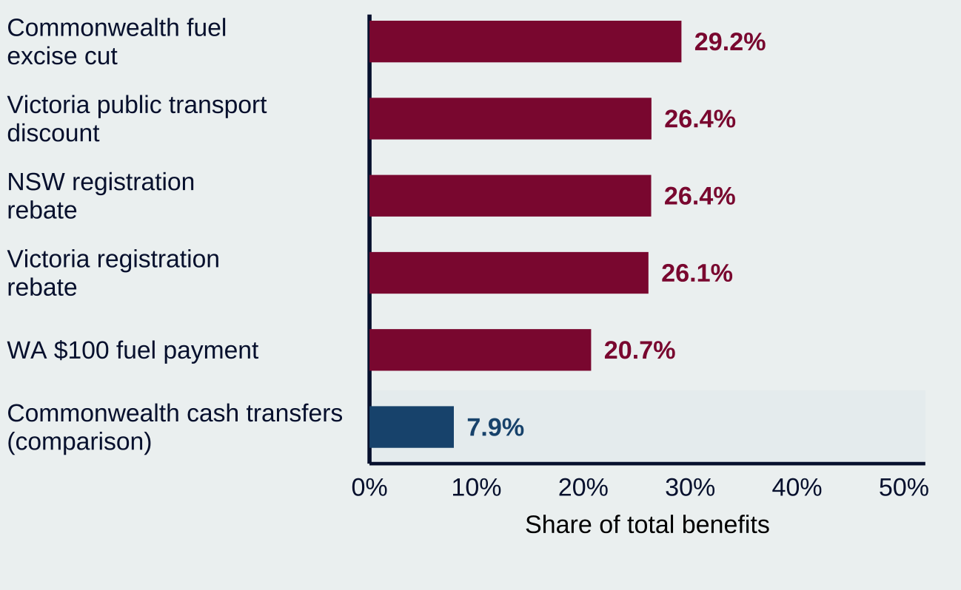
 | Benefits to the top income quintile

 | Policy | Share of benefits
 | Commonwealth fuel excise cut | 29.2%
 | Victoria public transport discount | 26.4%
 | NSW registration rebate | 26.4%
 | Victoria registration rebate | 26.1%
 | WA $100 fuel payment | 20.7%
 | Commonwealth cash transfers (comparison) | 7.9%

Note: Selected cost-of-living support provided by state and territory governments, and the Commonwealth. These have different income distributions per case study, including at an individual and household level. Source: Policy Institute Australia analysis. See Appendix C and the individual case studies in this report for more detail.

Figure 12 | Hit and miss | Report page 19 (PDF page 20) | Source: states_means_testing (37)(3).pdf

Figure_13
Higher-income Australians drive more and therefore benefited more from the fuel excise cut

Estimated benefit flowing from the cut to the fuel excise (excluding the heavy vehicle road user charge), for individuals only, Apr–Jun 2026, by income quintile

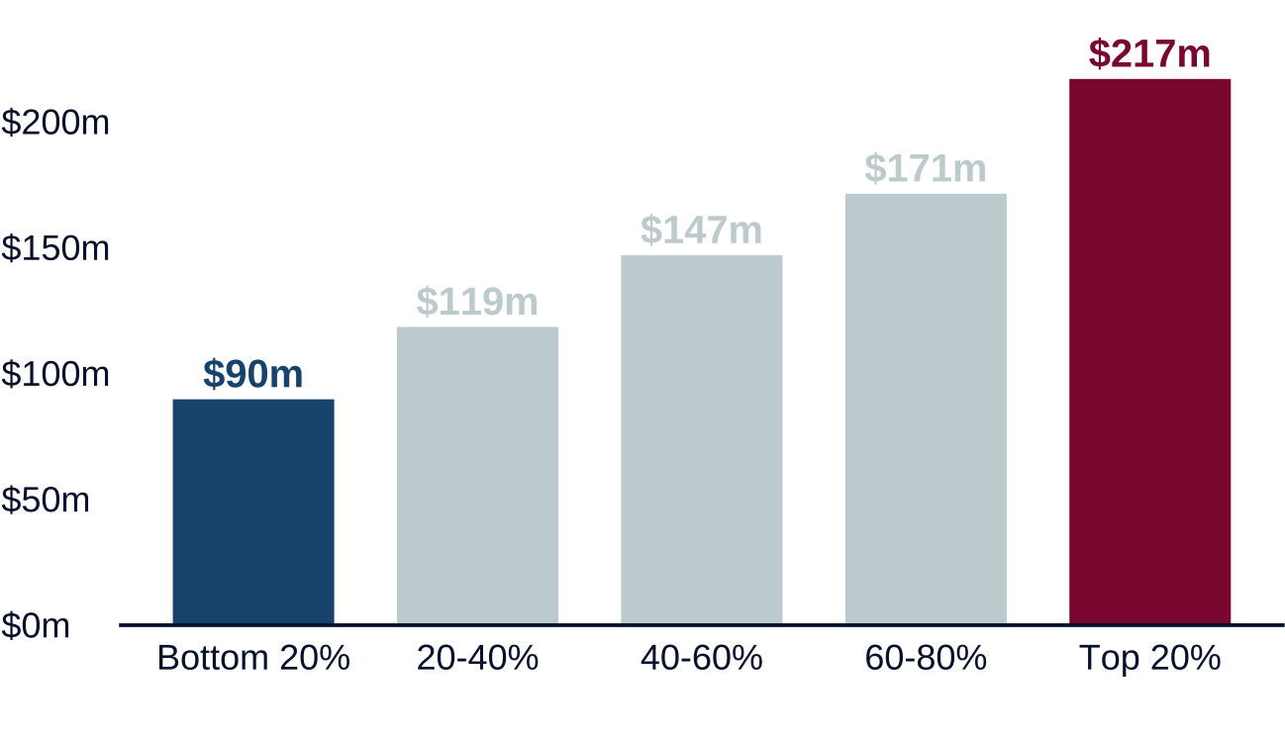
 | Benefits by income quintile

 | Quintile | Benefits ($m)
 | Bottom 20% | 90
 | 20–40% | 119
 | 40–60% | 147
 | 60–80% | 171
 | Top 20% | 217

Note: See page 45 in Appendix C for more details. Note that the distribution is for petrol users only and excludes those who purchase no petrol. Source: Policy Institute Australia analysis of e61 research (Buckley & Maitra, 2026); Commonwealth budget data (Department of the Treasury, 2026); and National Transport Commission data (National Transport Commission, 2025).

Values reproduce the whole-million labels in Figure 13. Figure 2 gives bottom and top values at one decimal: $89.8m and $217.1m. Figure 13 covers Apr–Jun 2026 and excludes heavy vehicle road user charge relief.

Figure 13 | Hit and miss | Report page 20 (PDF page 21) | Source: states_means_testing (37)(3).pdf

Figure_14
Higher-income earners benefited most from free and half-price public transport in Victoria

Estimated distribution of free and half-price public transport, Victoria, by individual income quintile, Victorians 20 or older

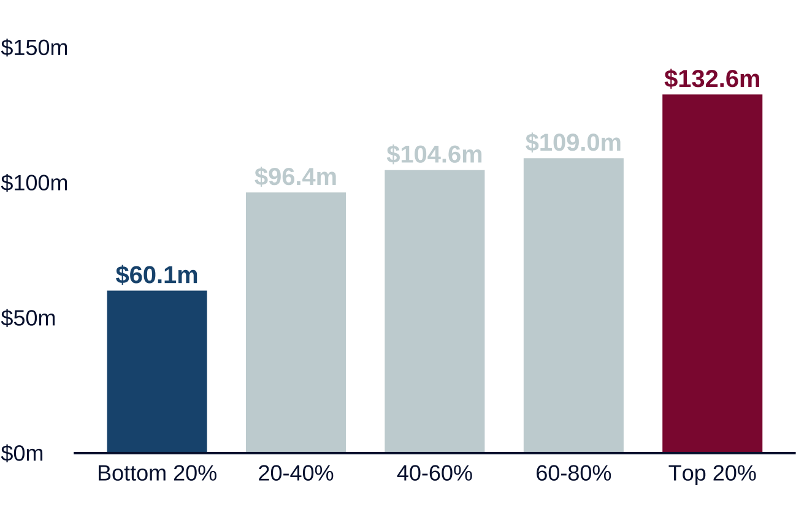
 | Benefits by income quintile

 | Quintile | Benefits ($m)
 | Bottom 20% | 60.1
 | 20–40% | 96.4
 | 40–60% | 104.6
 | 60–80% | 109.0
 | Top 20% | 132.6

Note: See page 47 in Appendix C for more details. Source: Policy Institute Australia analysis of the Victorian Integrated Survey of Travel and Activity (Department of Transport and Planning (Victoria), 2026a).

Figure 14 | Hit and miss | Report page 21 (PDF page 22) | Source: states_means_testing (37)(3).pdf

Figure_15
The $100 Fuel Support Payments in WA were broadly spread by income

Estimated available benefit of $100 Fuel Support Payments, Western Australians aged 17+, by personal income quintile

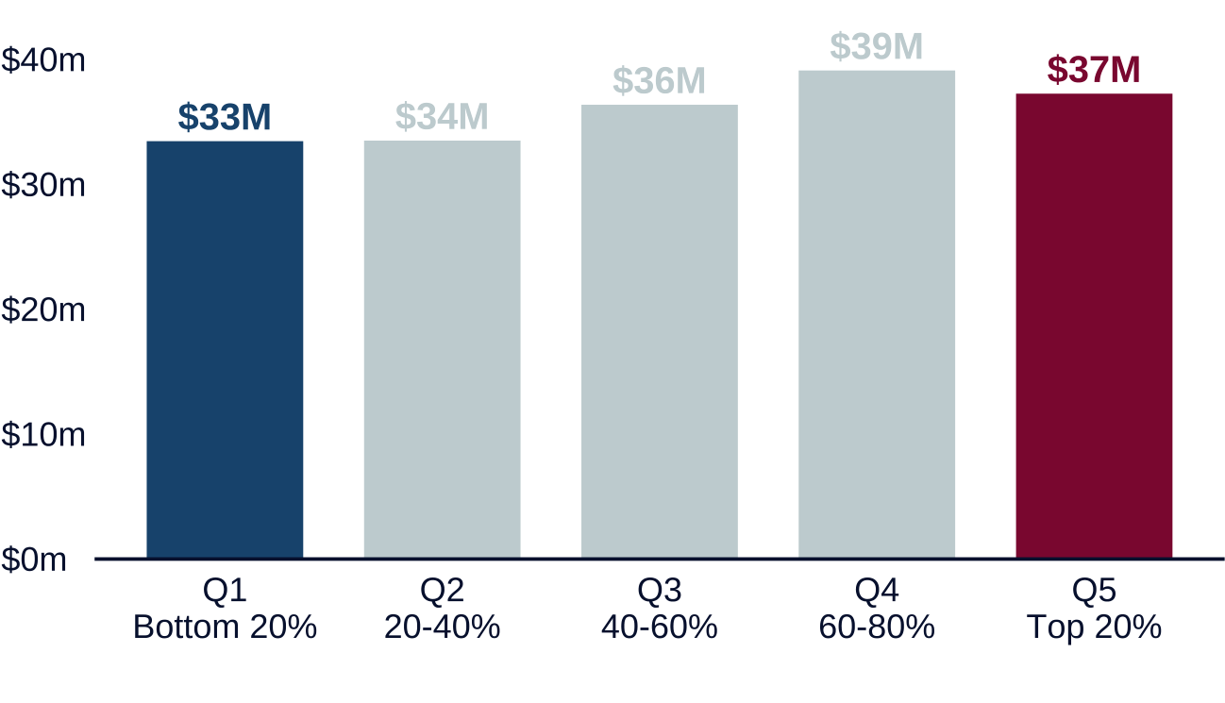
 | Benefits by income quintile

 | Quintile | Benefits ($m)
 | Bottom 20% | 33
 | 20–40% | 34
 | 40–60% | 36
 | 60–80% | 39
 | Top 20% | 37

Note: Income quintiles are calculated based on Western Australians who are 17+. See page 49 in Appendix C for more details on the methodology. Source: Policy Institute Australia analysis of the HILDA survey (Melbourne Institute, 2025).

Values reproduce the whole-million labels in Figure 15. Figure 2 gives bottom and top values at one decimal: $33.5m and $37.3m. Do not infer precise shares from these whole-million labels.

Figure 15 | Hit and miss | Report page 22 (PDF page 23) | Source: states_means_testing (37)(3).pdf

Figure_16
Toll road usage and spending are correlated with income

Estimated benefit distribution of NSW toll rebates, by household income quintile

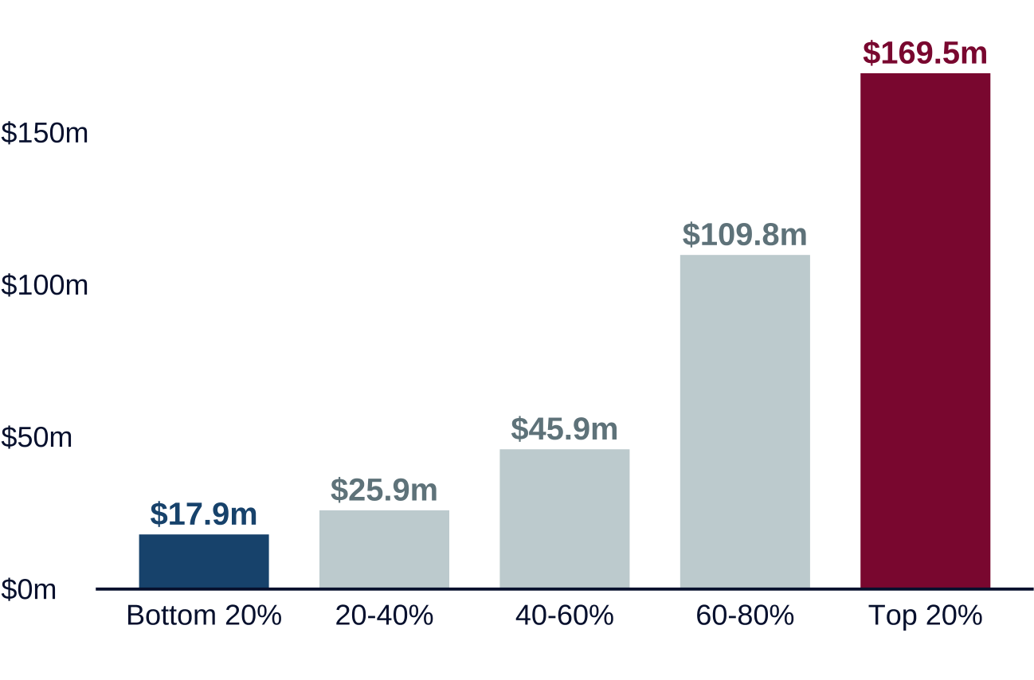
 | Benefits by income quintile

 | Quintile | Benefits ($m)
 | Bottom 20% | 17.9
 | 20–40% | 25.9
 | 40–60% | 45.9
 | 60–80% | 109.8
 | Top 20% | 169.5

Note: See page 53 in Appendix C for more details on the methodology. Source: Policy Institute Australia analysis of ABS data (Australian Bureau of Statistics, 2017), and NSW Budget papers (NSW Treasury, 2026).

Figure 16 | Hit and miss | Report page 24 (PDF page 25) | Source: states_means_testing (37)(3).pdf

Figure_17
Property concessions provide more to well-off homeowners

Estimated distributional benefit of state and territory property concessions, by national household wealth quintile

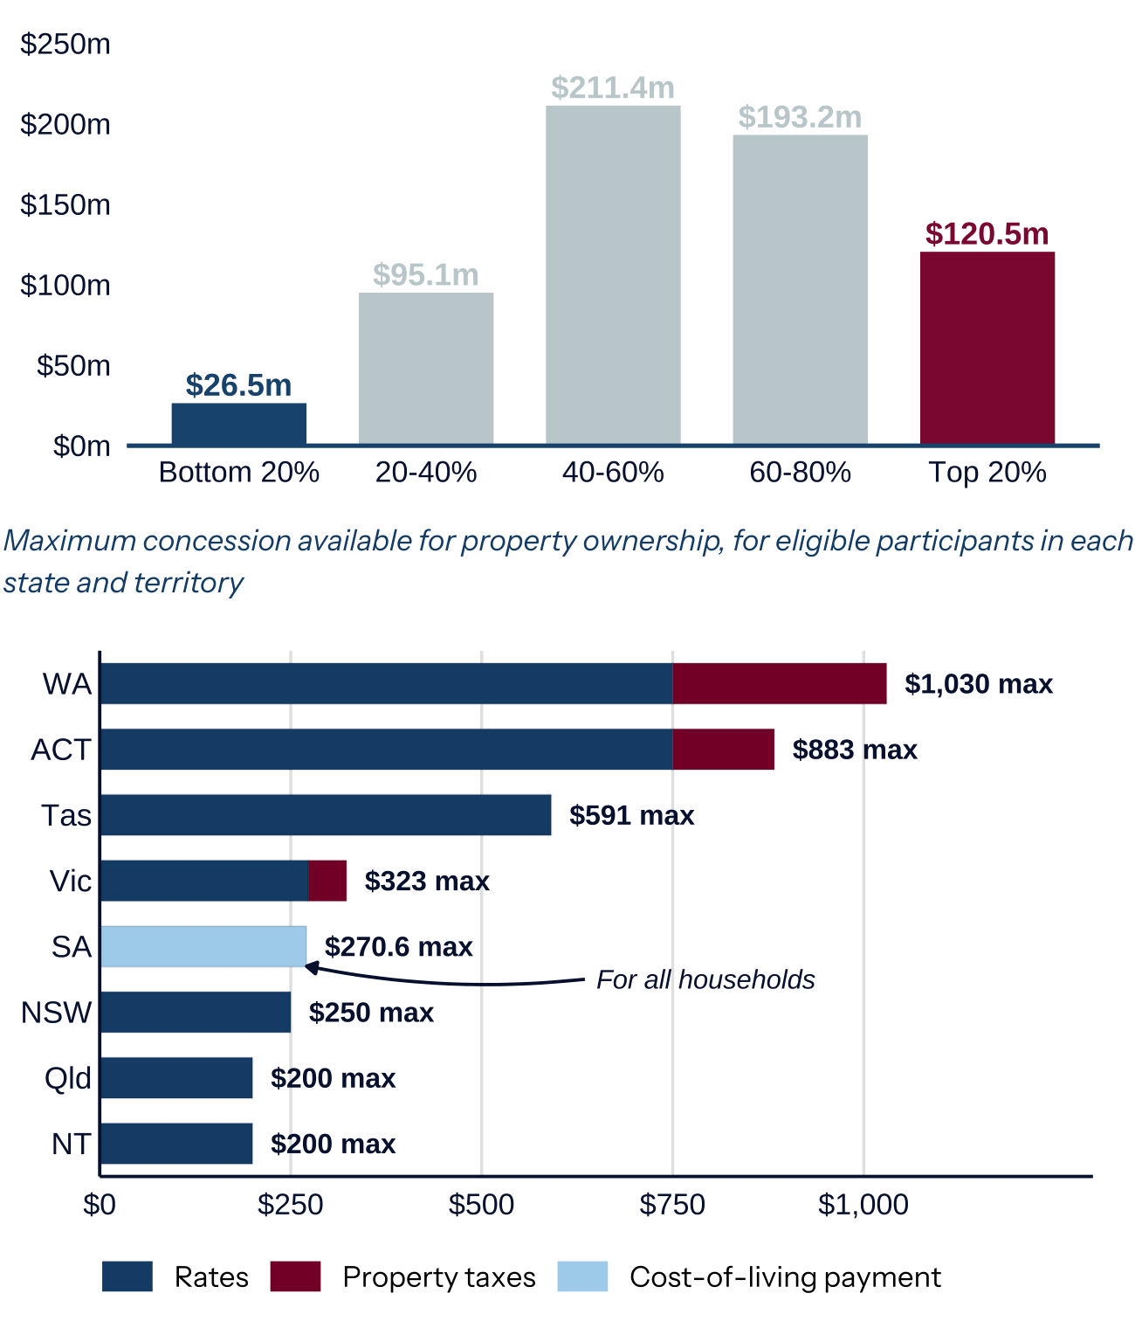
 | Distribution by household wealth

 | Quintile | Benefits ($m)
 | Bottom 20% | 26.5
 | 20–40% | 95.1
 | 40–60% | 211.4
 | 60–80% | 193.2
 | Top 20% | 120.5

 | Maximum shown in figure

 | Jurisdiction | Maximum shown ($)
 | WA | $1,030.0
 | ACT | $883.0
 | Tas | $591.0
 | Vic | $323.0
 | SA | $270.6
 | NSW | $250.0
 | Qld | $200.0
 | NT | $200.0

Note: See Appendix B for more detail on the data behind the state and territory comparison. See page 50 in Appendix C for more details on the methodology of the distributional analysis. Source: Policy Institute Australia analysis of HILDA, state and territory government websites.

Victoria’s maximum is $323, consistent with Table 3 ($273 rates plus $50 property levy). SA is a cost-of-living concession also available to eligible renters.

Figure 17 | Hit and miss | Report page 25 (PDF page 26) | Source: states_means_testing (37)(3).pdf

Figure_18
Higher-income households benefit more from money back on motor vehicle registrations in Victoria and NSW

Victoria, estimated available benefit of registration rebate, by household income quintile

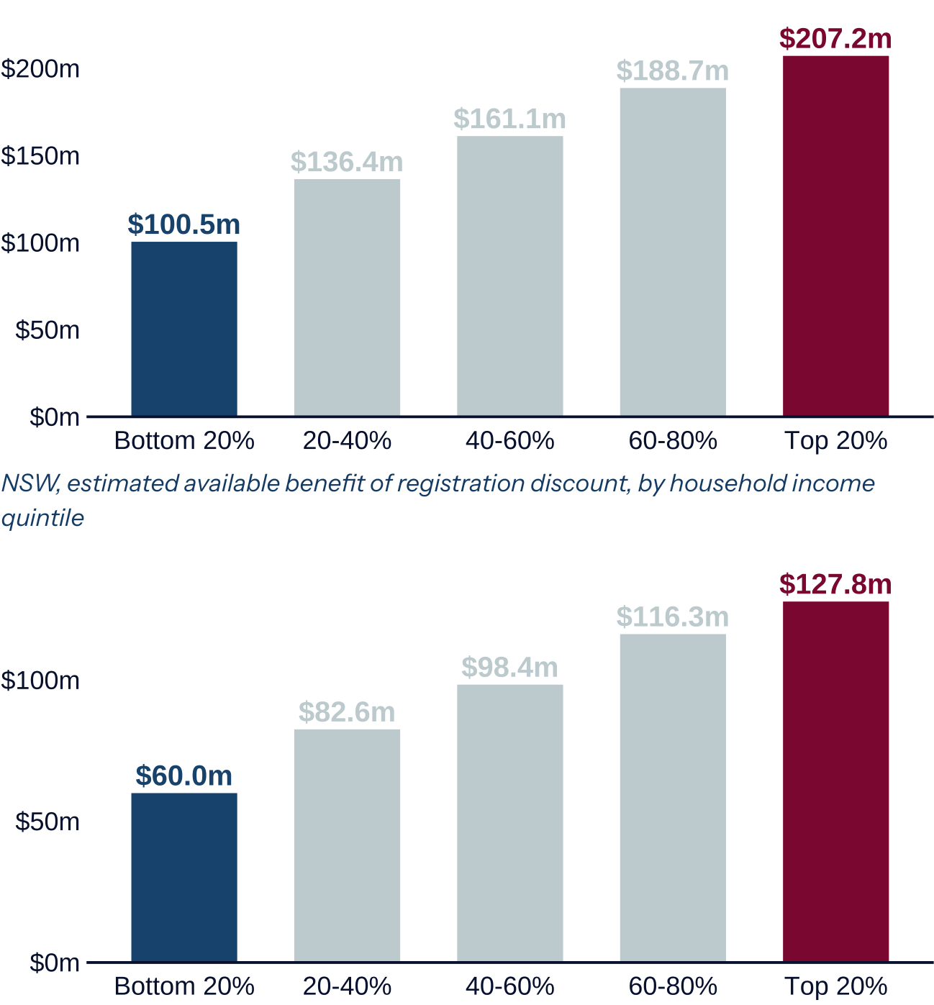
 | Victoria

 | Household income quintile | Benefit ($m)
 | Bottom 20% | 100.5
 | 20–40% | 136.4
 | 40–60% | 161.1
 | 60–80% | 188.7
 | Top 20% | 207.2

 | NSW

 | Household income quintile | Benefit ($m)
 | Bottom 20% | 60.0
 | 20–40% | 82.6
 | 40–60% | 98.4
 | 60–80% | 116.3
 | Top 20% | 127.8

Note: See page 50 in Appendix C for more details on the methodology. Source: Policy Institute Australia analysis of ABS data (Australian Bureau of Statistics, 2021, 2026b) and Bureau of Infrastructure and Transport Research Economics data (Bureau of Infrastructure and Transport Research Economics, 2024, 2025).

Figure 18 | Hit and miss | Report page 26 (PDF page 27) | Source: states_means_testing (37)(3).pdf

Figure_19
A lump sum payment could provide more than $2,000 to recipient households

Estimated per household lump sum payment, by jurisdiction, $

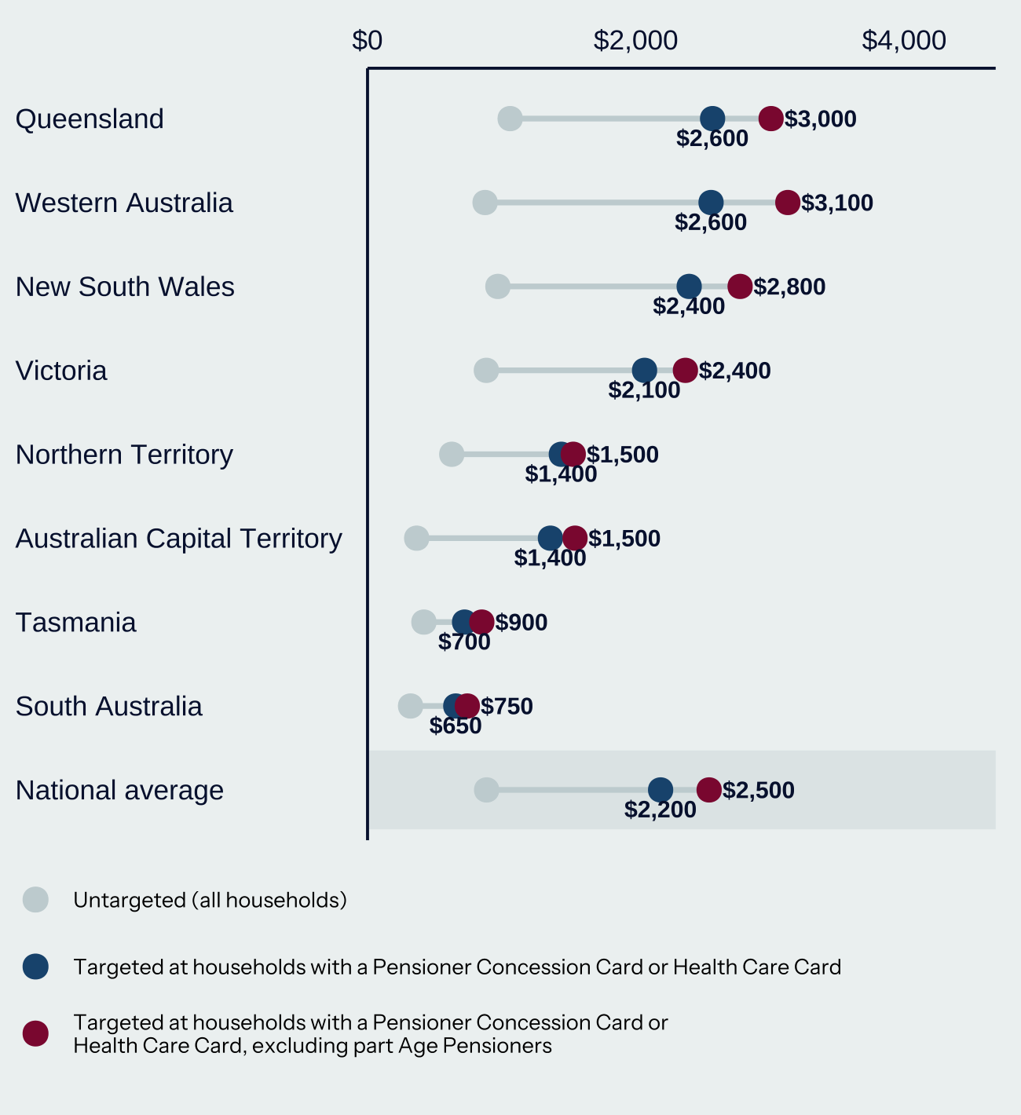
 | Targeted payment (published labels)

 | Jurisdiction | PCC / HCC households ($) | Excluding part Age Pensioners ($)
 | Queensland | $2,600 | $3,000
 | Western Australia | $2,600 | $3,100
 | New South Wales | $2,400 | $2,800
 | Victoria | $2,100 | $2,400
 | Northern Territory | $1,400 | $1,500
 | Australian Capital Territory | $1,400 | $1,500
 | Tasmania | $700 | $900
 | South Australia | $650 | $750
 | National average | $2,200 | $2,500

Note: Data presented above takes total ongoing concessions and apportions across households within each jurisdiction, where at least one household member holds either a Pensioner Concession Card or Health Care Card. Source: Policy Institute Australia analysis using Melbourne Institute (2025) and state and territory budget papers. See Appendix A for a full list of sources and the methodology.

The grey untargeted (all households) series has no numerical labels in the supplied PDF. It is retained in the chart image; exact data cells are not supplied for that series. Targeted payment values are transcribed at the precision shown. Original source data is required for the untargeted series.

Figure 19 | Hit and miss | Report page 27 (PDF page 28) | Source: states_means_testing (37)(3).pdf

Figure_20
Seniors cards are mostly held by the wealthiest Australians

Household distribution of Commonwealth and state seniors’ cards, gross income and wealth

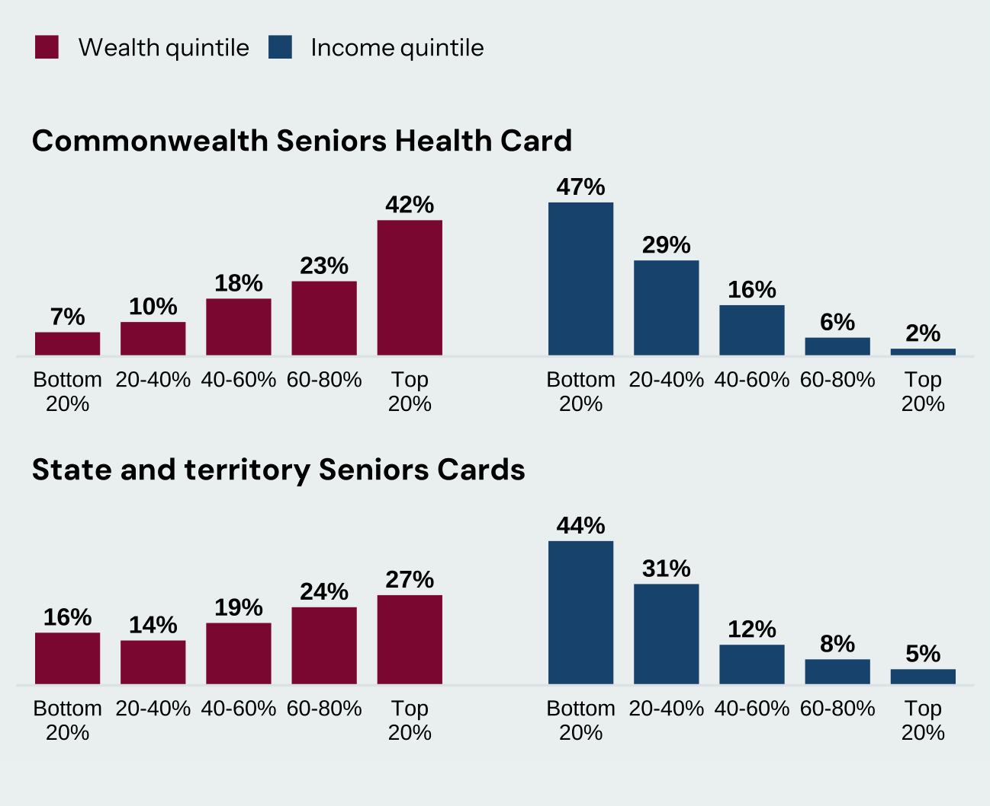
 | Commonwealth Seniors Health Card

 | Quintile | Wealth share | Income share
 | Bottom 20% | 7% | 47%
 | 20–40% | 10% | 29%
 | 40–60% | 18% | 16%
 | 60–80% | 23% | 6%
 | Top 20% | 42% | 2%

 | State and territory Seniors Cards

 | Quintile | Wealth share | Income share
 | Bottom 20% | 16% | 44%
 | 20–40% | 14% | 31%
 | 40–60% | 19% | 12%
 | 60–80% | 24% | 8%
 | Top 20% | 27% | 5%

Note: This represents household distribution of income and wealth, where at least one household member holds the concession card. See Appendix C for more details on the methodology. Source: Policy Institute Australia analysis of HILDA survey (Melbourne Institute, 2025).

Percentages are the rounded labels shown in the report. Some distributions sum to 99% or 101%; no balancing adjustment has been made.

Figure 20 | Hit and miss | Report page 29 (PDF page 30) | Source: states_means_testing (37)(3).pdf

Figure_21
Using Commonwealth data can lead to better targeted programs

Modelled distribution of available benefits of voucher programs, by selected states, for population where families have at least one eligible child

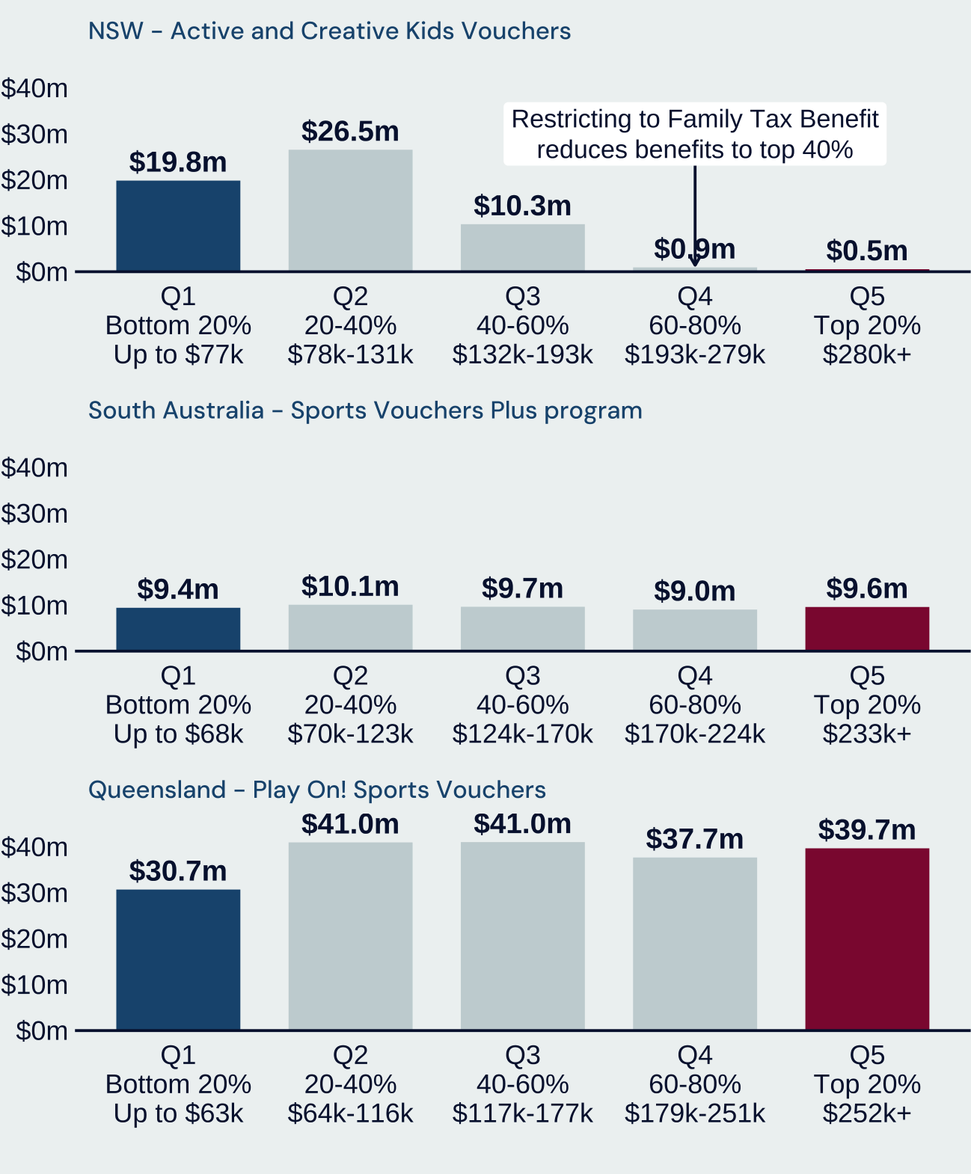
 | NSW – Active and Creative Kids Vouchers

 | Quintile | Benefit ($m) | Income range shown
 | Bottom 20% | 19.8 | Up to $77k
 | 20–40% | 26.5 | $78k–131k
 | 40–60% | 10.3 | $132k–193k
 | 60–80% | 0.9 | $193k–279k
 | Top 20% | 0.5 | $280k+

 | South Australia – Sports Vouchers Plus

 | Quintile | Benefit ($m) | Income range shown
 | Bottom 20% | 9.4 | Up to $68k
 | 20–40% | 10.1 | $70k–123k
 | 40–60% | 9.7 | $124k–170k
 | 60–80% | 9.0 | $170k–224k
 | Top 20% | 9.6 | $233k+

 | Queensland – Play On! Sports Vouchers

 | Quintile | Benefit ($m) | Income range shown
 | Bottom 20% | 30.7 | Up to $63k
 | 20–40% | 41.0 | $64k–116k
 | 40–60% | 41.0 | $117k–177k
 | 60–80% | 37.7 | $179k–251k
 | Top 20% | 39.7 | $252k+

Note: Household quintile distributions are derived on a state basis, and only for the population of families with children where the children meet age eligibility requirements (5–15 in SA, 5–17 in NSW and Queensland). See page 51 in Appendix C for more details on the methodology. Source: Policy Institute Australia analysis of HILDA survey (Melbourne Institute, 2025).

Income ranges reproduce the figure labels, including gaps and shared boundary values; they have not been normalised. The population comprises families with at least one age-eligible child. Figure 22 uses the broader state population.

Figure 21 | Hit and miss | Report page 31 (PDF page 32) | Source: states_means_testing (37)(3).pdf

Figure_22
Alternative results using state population

Modelled distribution of available benefits of voucher programs, by selected states, for state population

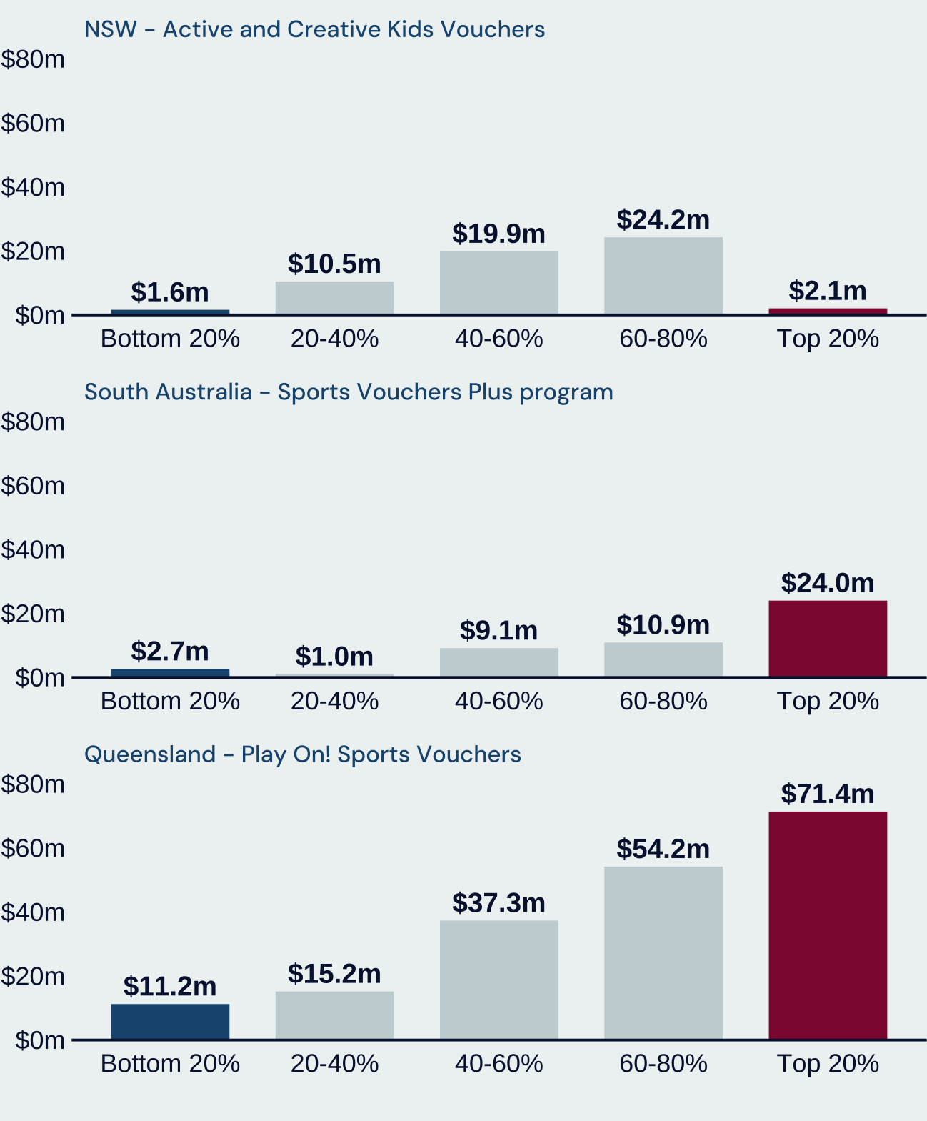
 | NSW – Active and Creative Kids Vouchers

 | Quintile | Benefit ($m)
 | Bottom 20% | 1.6
 | 20–40% | 10.5
 | 40–60% | 19.9
 | 60–80% | 24.2
 | Top 20% | 2.1

 | South Australia – Sports Vouchers Plus

 | Quintile | Benefit ($m)
 | Bottom 20% | 2.7
 | 20–40% | 1.0
 | 40–60% | 9.1
 | 60–80% | 10.9
 | Top 20% | 24.0

 | Queensland – Play On! Sports Vouchers

 | Quintile | Benefit ($m)
 | Bottom 20% | 11.2
 | 20–40% | 15.2
 | 40–60% | 37.3
 | 60–80% | 54.2
 | Top 20% | 71.4

Note: Household quintile distributions are derived on a state basis for the broader population. See page 31 for an alternative estimate for the population of families with children where the children meet age eligibility requirements (5–15 in SA, 5–17 in NSW and Queensland). Source: Policy Institute Australia analysis of HILDA survey (Melbourne Institute, 2025).

Figure 22 | Hit and miss | Report page 51 (PDF page 52) | Source: states_means_testing (37)(3).pdf

